Cover

 |  | Valid from: | 2026-09-04

Incoterms FCA ControlTech office

CZ | PLATNOST CENÍKU: |  |  | HR | VALJANOST CJENIKA:
 | od 4.9.2026 do vydání nového ceníku |  |  |  | od 4.9.2026 do izdavanja novog cjenika
 | Prodávající si pro dobu platnosti ceníku vyhrazuje jednostranné právo na změnu uvedených cen |  |  |  | Prodavatelj zadržava jednostrano pravo promjene cijena za vrijeme važenja cjenika
 | Ceny uvedené v tomto ceníku nejsou právně vymahatelné |  |  |  | Cijene navedene u ovom cjeniku nisu pravno provedive
 | MĚNA: |  |  |  | VALUTA:
 | EUR/CZK |  |  |  | EUR
 | V cenách je zahrnuto clo a doprava do sídla společnosti |  |  |  | u cijenu nije uključen prijevoz
 | Ceny uvedené v EUR účtujeme v Kč dle kurzu ČNB platného v den fakturace

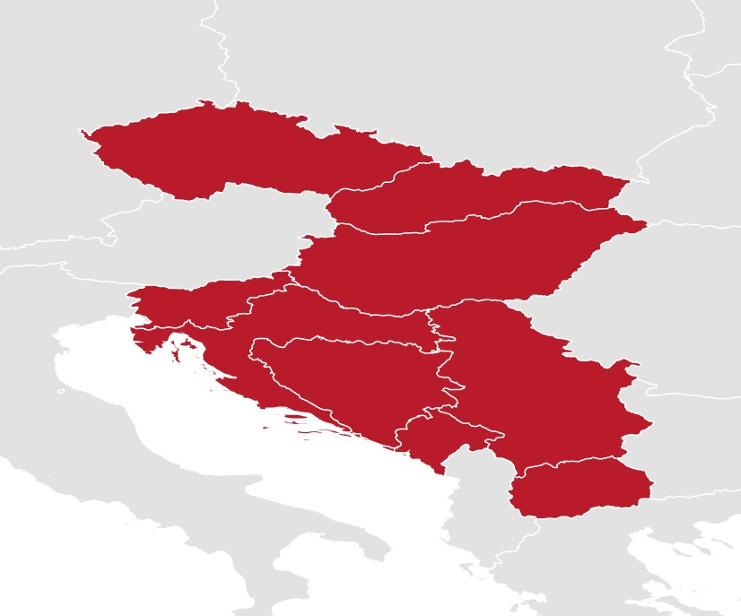
 |  |  |  | RS | Valjanost cenovnika:
SK | PLATNOSŤ CENNÍKA: |  |  |  | od 4.9.2026 do novog cenovnika
 | od 4.9.2026 do vydania nového cenníka |  |  |  | Prodavac zadržava jednostrano pravo promene cena za vreme važenja cenovnika
 | Predávajúci si pre dobu platnosti cenníku vyhradzuje jednostranné právo na zmenu uvedených cien |  |  |  | Cene navedene u ovom cenovniku nisu pravno izvršne
 | Ceny uvedené v tomto cenníku nie sú právne vymožiteľné |  |  |  | VALUTA:
 |  |  |  |  | EUR
 |  |  |  |  | Cene ne uključuju carine i transport
HU | Érvényes: |  |  |  | Cene u EUR se naplaćuju u RSD prema kursu NBS važećim na datum fakture
 | 2026.9.4.-töl
 | Az eladó fenntartja a jogot az árak egyoldalú megváltoztatására az árlista érvényességi ideje alatt
 | Az árlistában felsorolt ​​árak jogilag nem érvényesíthetők |  |  | BA | VALJANOST CJENIKA:
 | Fizetés: |  |  |  | od 4.9.2026 do izdavanja novog cjenika
 | EUR-ban vagy Magyar Forintban -ban, a MNB Bank számlázás napján érvényes deviza árfolyamán |  |  |  | Prodavatelj zadržava jednostrano pravo promjene cijena za vrijeme važenja cjenika
 |  |  |  |  | Cijene navedene u ovom cjeniku nisu pravno provedive
 |  |  |  |  | VALUTA:
SI | VELJAVNOST CENIKA: |  |  |  | EUR
 | od 4.9.2026 do novega cenika |  |  |  | u cijenu nije uključen prijevoz i carine
 | Prodajalec si pridržuje enostransko pravico do spremembe cen za obdobje veljavnosti cenika
 | Cene, navedene v tem ceniku, niso pravno izvršljive
 | VALUTA:
 | EUR
 | cena ne vključuje prevoza

